Sheet1
[演讲题目] | Research on Intelligent Data-Driven Security-Constrained Unit Commitment Decision-making Approach
[演讲时间]
[关键词] | data-driven; E-Seq2Seq; deep learning; unit commitment
[嘉宾介绍] | 杨楠，三峡大学电气与新能源学院教授、博士生导师，三峡学者，智慧能源装备及运行规划技术研究团队负责人、新能源微电网湖北省工程技术中心副主任，IEEE senior member，中国电工技术学会电动汽车充换电系统与试验专委会委员，国内学术期刊《电力系统保护与控制》、《高压电器》和《智慧电力》的青年编委，SCI期刊《Sustainability》、《Frontiers in energy research》的客座编辑。美国史蒂文斯理工学院访问学者。主要研究方向是电力系统优化运行，包括基于物理模型驱动和数据驱动的机组组合决策方法研究等，相关工作发表在IEEE Transactions on Industrial Informatics, Journal of Modern Power Systems and Clean Energy, Proceedings of the CSEE, Electric Power Systems Research, IET Generation, Transmission & Distribution等期刊。
[背景介绍] | In our study, we have demonstrated a series of data-driven unit commitment decision methods that open up new possibilities for decision optimization in the field of unit commitment. Notably, we have made a groundbreaking application of deep learning technology to the unit commitment decision-making task, enabling online decision-making for input load by training the model with highly similar historical schemes. Furthermore, we introduce the E-Seq2Seq techniques to effectively address the challenges of sample clustering and adaptability to elastic multiple-sequence samples. The research shows that the proposed data-driven decision-making method can greatly simplify the process and complexity of modeling and solving, and fully take into account the input variables that cannot be modeled in traditional methods. On the other hand, thanks to the generalization ability of the model, the same neural network can automatically switch between different data samples and different decision objectives, which has an ability similar to "immune memory" to deal with emerging theoretical problems and challenges.
[参考文献] | [1]Yang N., Yang C., Wu L., Shen X., Jia J.,Li Z., Chen D., Zhu B. and Liu S., LiuIntelligent data-driven decision-making method for dynamic multisequence: An E-seq2seq-based SCUC expert system[J]. IEEE Transactions on Industrial Informatics, 2021, 18(5): 3126-3137. [2]Yang, Nan; Yang, Cong; Xing, Chao; Ye, Di; Jia, Junjie; Chen, Daojun; Shen, Xun; Huang, Yuehua; Zhang, Lei; Zhu, Binxin. Deep learning-based SCUC decision-making: An intelligent data-driven approach with self-learning capabilities.[J].IET Generation, Transmission & Distribution
[嘉宾照片] | 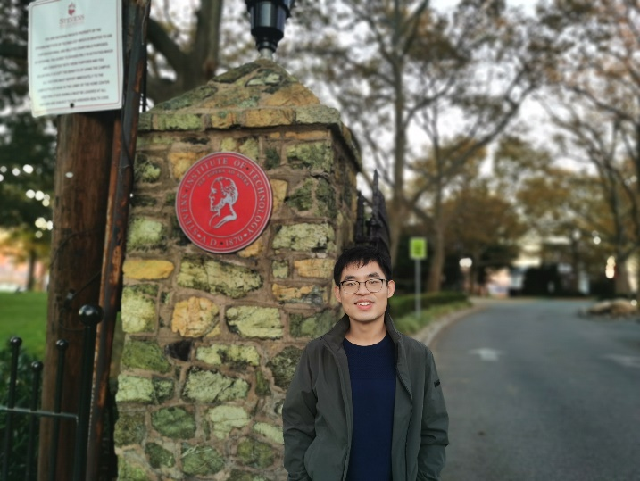
[FirstName] | Nan
[LastName] | Yang

